P5V OVLO
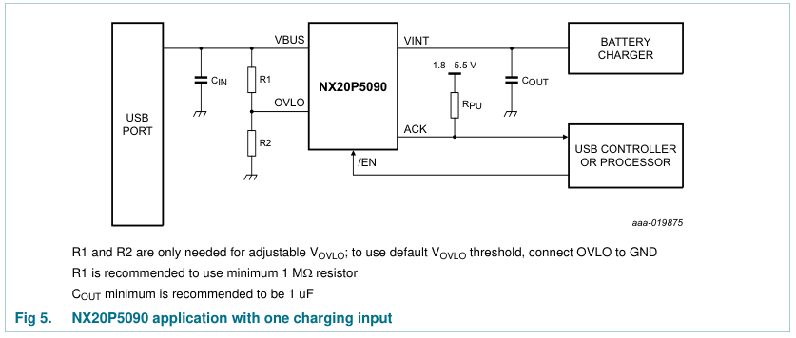
 | min | typical | max
Vth(ovlo) | 1.164 | 1.227 | 1.287 | Vovlo desired | 8 | From NX20P5090 datasheet:
R1 | 990000 | 1000000 | 1010000 | R2 calculated | 181160.49018
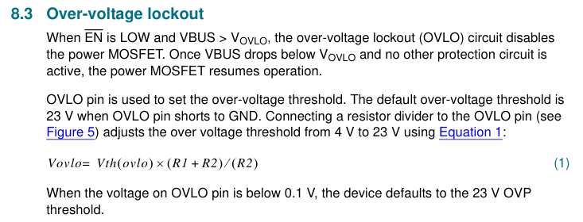
R2 | 180180 | 182000 | 183820 | R2 actual | 182000
Vovlo | 7.5596043956 | 7.9687582418 | 8.3584285714

P3V3
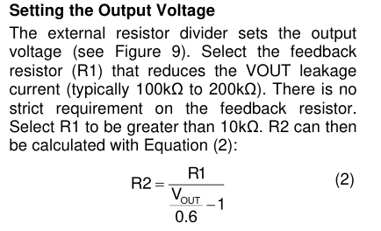
From MPS2182 Datasheet:
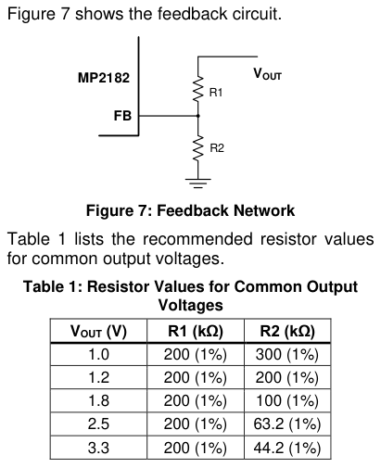
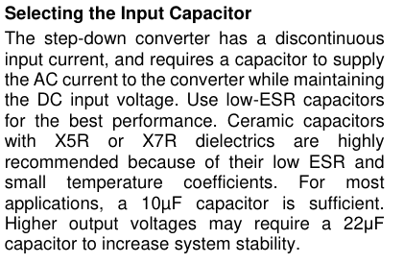
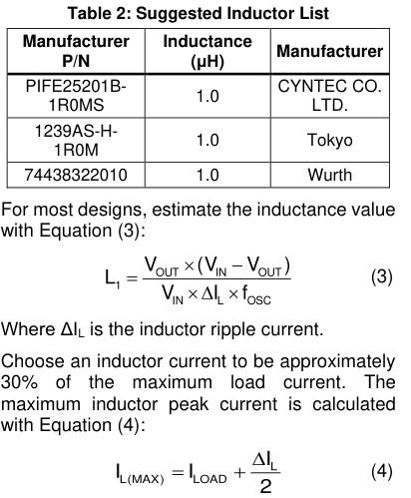
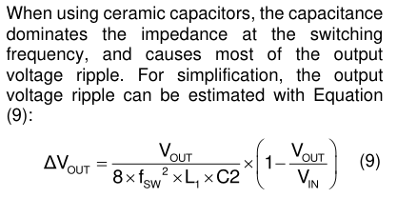
 |  |  | Vout | 3.3
 |  |  | Vin | 5
 |  |  | Max I (A) | 0.78
 |  |  | delta I | 0.234
 |  |  | fosc | 1200000

 |  |  | L | 3.9957264957E-06

 |  |  | Calculated value outside of recommended range, will select 1uH.

 |  |  |  |  | Vout | 3.3
 |  |  |  |  | Vin | 5
 |  |  |  |  | fsw | 1200000
 |  | Selected X7R, 10uF input cap |  |  | C2 | 0.000022
 |  |  |  |  | L1 | 0.000001
 |  |  |  |  | delta Vout | 0.0044270833333

 |  |  |  |  | Select 22uF for output capacitor

For 3.3V, selected 200k and 44.2k

Vout | 3.3
R2 | 44444.444444
R1 | 200000
R2 select | 44200
Vout actual | 3.3149321267

P1V4_SOC & P1V35_DRAM
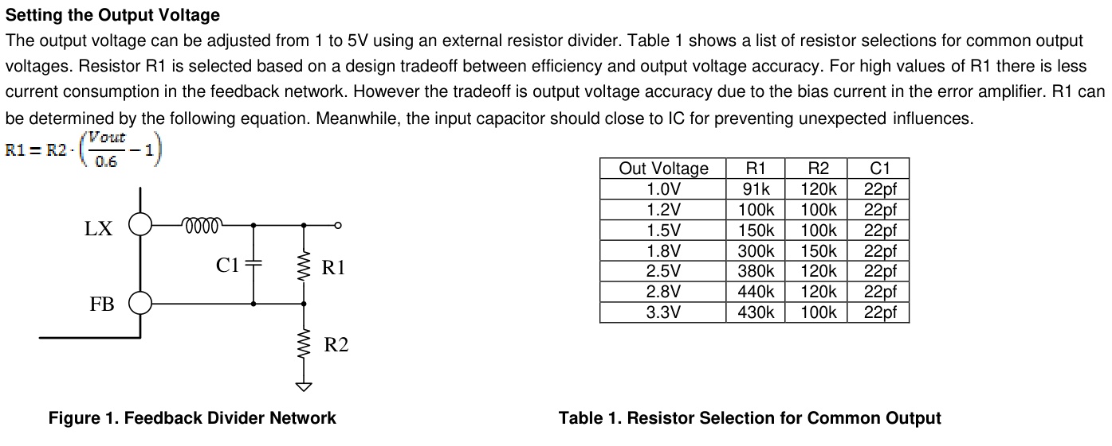

P1V4_SOC |  | P1V35_DRAM
R1 | 100000 | R1 | 100000
R2 | 75000 | R2 | 80000
Vout | 1.4 | Vout | 1.35

